Infrastructure Budget Template
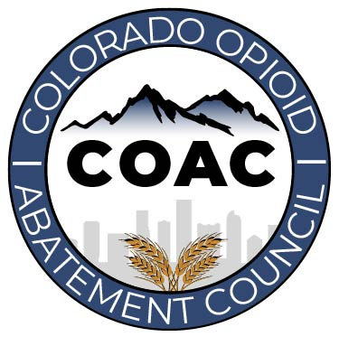
 |  | Colorado Opioid Abatement Council
 |  | Infrastucture Fund Budget Template

 |  | Infrastructure Funding Opportunity #1

Project Name |  |  | Funding Request | $- | Application Contact Name, Title, Phone and Email
Applicant Name |  |  | Project Start Date |  | Fiscal Contact Name, Title, Phone and Email
Applicant Type |  |  | Project End Date |  | Additional Implementing Organizations/Entities

Instructions: For each line-item, identify the appropriate budget category, and the Approved Opioid Abatement Purpose from Exhibit A of the Colorado Opioid Settlement MOU. All Opioid Settlement Funds must be used for Approved Purposes. You can find the full list of Budget Categories and Approved Purposes in the "Budget Categories" and "Approved Purposes" tabs with further details on each. You can also find Exhibit A here (https://coag.gov/app/uploads/2022/07/CO-MOU-Exhibit-A.pdf). You must selected the approved purposes from the drop down options. After selecting the appropriate Approved Purposes Section, select the appropriate Approved Purpose. You can see the full list of Approved Purposes in the "Approved Purposes" tab. You can also find Exhibit A here (https://coag.gov/app/uploads/2022/07/CO-MOU-Exhibit-A.pdf).
Budget Categories: Personnel Services, Contractual, Materials & Supplies, Equipment, Capital/Construction, Contractual, Indirects/Administrative Approved Purposes Sections: A.Treatment of Opioid Use Disorder and Its Effects, B.Intervention, C. Criminal-Justice-Involved Person, D.Women Who Are Or May Become Pregnant, E. People In Treatment And Recovery, F. Precribing Practices, G. Misuse Of Opioids, H. Overdose Deaths And Other Harms, I. Services for Children, J. First Responders, K. Community Leadership, L. Staffing and Training, M. Research, N. Other
Budget Item | Budget Category (Drop Down List) | Approved Purposes Section (Drop Down List) | Approved Purposes Sub-Section (Drop Down List) | Vendor, Source, or Procurement Process | Description of Item | Cost | Quantity | Total Amount Requested
 |  |  |  |  |  |  |  | $-
 |  |  |  |  |  |  |  | $-
 |  |  |  |  |  |  |  | $-
 |  |  |  |  |  |  |  | $-
 |  |  |  |  |  |  |  | $-
 |  |  |  |  |  |  |  | $-
 |  |  |  |  |  |  |  | $-
 |  |  |  |  |  |  |  | $-
 |  |  |  |  |  |  |  | $-
 |  |  |  |  |  |  |  | $-
TOTAL |  |  |  |  |  |  |  | $0
Non-Required Budget Supplemental Question
Q1: Is there additional information the COAC should consider when reviewing this budget? If yes, please detail below.

